Overview
Partnership Readiness Process | Overview
The potential to improve health outcomes and reduce medical spending through addressing the social determinants of health has resulted in numerous opportunities for CBOs to develop cross-sector partnerships with health care organizations, which can lead to service expansion, organizational growth, revenue diversification and mission expansion for CBOs. However, making the decision to develop and pursue a partnership strategy often requires organizational transformation, including strategic, cultural, and operational changes. It requires commitment of time and resources, as well as the development of new skills and capacities. For example, it may require developing a deeper understanding of your local health care market and the potential partners that exist, redesigning your services to meet the demands and interests of potential partners and incorporating new processes for collecting outcomes data that can demonstrate the positive impact your services have on health outcomes and medical spending. There is no standard roadmap or playbook that a CBO can follow to successfully prepare for, pursue and secure cross-sector partnerships. This is because every organization, every partner and every community is unique and has varying factors to consider when designing a partnership. The most effective partnerships are those that carefully consider and address the needs for all parties involved - including the health care organization, the CBO, and the community to be served. There is, however, a partnership readiness process with phases of development that are needed to pursue and implement effective cross-sector partnerships.
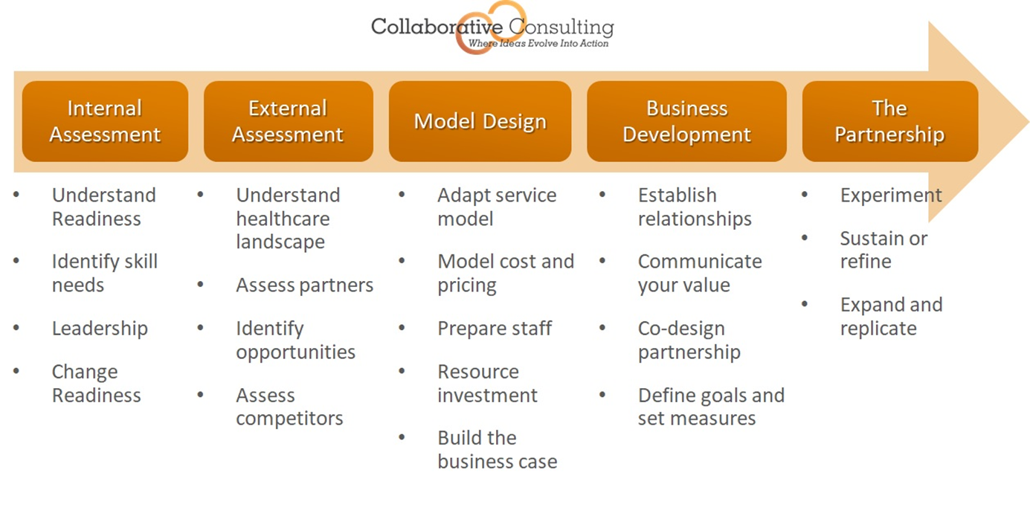

Here is a list of the tools that Collaborative Consulting has developed to complement the partnership readiness process:
Readiness Assessment: This tool assesses several capacities and skills that an organization should develop to prepare for successful cross-sector partnerships. (see internal assessment phase of partnership readiness)
Market Assessment: This tool guides an organization through the process of conducting research on a local healthcare market to identify and understand the potential healthcare partners and the corresponding partnership opportunities (see external assessment phase of partnership readiness
Competitor Analysis: This tool guides an organization through the process of assessing a local market to identify current and emerging competition that will influence partnership opportunities (see external assessment phase of partnership readiness)
Opportunity Assessment: This tool guides an organization through the process of considering internal and external factors to identify and prioritize potential partnership opportunities and the service/model to offer (see model design phase of partnership readiness)
Building the Business Case: This tool guides an organization through the process of developing a compelling business case for partnership (see model design phase of partnership readiness)
This project was supported, in part by grant number 90PPBA0001-03-03 from the U.S. Administration for Community Living (ACL), Department of Health and Human Services, Washington, D.C. 20201. Grantees undertaking projects with government sponsorship are encouraged to express freely their findings and conclusions. Points of view or opinions do not, therefore, necessarily represent official ACL policy. This publication was produced for the Aging and Disability Business Institute by Collaborative Consulting. Led by the National Association of Area Agencies on Aging (n4a) in partnership with the most experienced and respected organizations in the Aging and Disability Networks, the mission of the Aging and Disability Business Institute is to build and strengthen partnerships between aging and disability community-based organizations and the health care system. The Aging and Disability Business Institute provides community-based organizations with the tools and resources to successfully adapt to a changing health care environment, enhance their organizational capacity and capitalize on emerging opportunities to diversify funding. Learn more at www.aginganddisabilitybusinessinstitute.org.

